1. Title Page
Python Fundamentals for Data Analysts

Project Name: Python Fundamentals for Data Analysts
Date: 30.05.2024
Analyst Name: Aida Ivanauskaite

Contents:
Population Flow
Consistency checks
Wrangling steps
Column derivations
Visualizations
Recommendations

2. Population Flow
Title page

Population flow

Exclusion flag
Condition: max_order < 5
Obervations to be removed: 1,44,045
Final total count of order_products_all: 30,959,687

Orders_products_combined
Orders_products_merged
Orders_products_all

Total: 32,399,732
Total: 32,434,489
Total:

1.) The grey boxes in the first row of the population flow represent the original data sets as they were when you downloaded them. In the Total fields you need to add the count of the rows when you imported the data set into Jupyter.
2.) The second row of boxes (coloured) represents the data sets after you manipulated them, e.g., removed missing values and duplicates. In the Total fields you need to add the count of the rows after conducting these operations. This offers a visual oveview of how the data flows throughout the data consistency checks.
3.) The third row, where also the arrows are coloured, represents the merges you performed between the datasets. In the Total fields you need to add the count of the rows in the merged datasets, so that you end up with the final dataset (in the red box). Keep in mind the final dataset should be without exclusions (based on the exclusion flag).

3. Consistency checks
 |  |  |  |  | Title page
Consistency checks

Dataset | Missing values | Missing values treatment | Duplicates | Other
orders | 206,209 - in "days_since_prior_order" | Flag created - "first_order" | 0 rows removed
products | 16 - in "product_name" | Removed | 5 rows removed | 2 rows removed due to error in price
orders_products_prior
customers
orders |  |  |  | Ensured all rows where order_number is 1 had days_since_prior_order as NaN using crosstab

4. Wrangling steps
 |  |  |  | Title page
Wrangling steps

Columns dropped | Columns renamed | Columns' type changed | Comment/Reason
eval_set column |  |  | Not needed for the analysis. It includes system details serving as identifiers for a previously published dataset by Instacart.
 | order_dow' renamed to 'orders_day_of_week' |  | order_dow is not very clear
 |  | order_id changed to string | order_id doesnt have numeric value so for the analysis, it will be looked as a string
 |  | user_id changed to string | user_id doesnt have numeric value so for the analysis, it will be looked as a string
"First Name" |  |  | Unnecessary to analysis and personally identifiable information (Ex 4.9)
"Surnam" |  |  | Unnecessary to analysis and personally identifiable information (Ex 4.9)
 | "Gender" |  | Decapitalised for consistency (Ex 4.9)
 | "STATE" |  | Decapitalised for consistency (Ex 4.9)
 | "Age" |  | Decapitalised for consistency (Ex 4.9)
 | "_merge" |  | Original merge flag caused error in Ex 4.9 when customer data had to be merged with the orders_products data
 | "_merge" |  | Renamed to identify against the other merge flag (named merge_2)
 |  | "product_id" (int64 --> int32) | Save on memory
 |  | "aisle_id" (int64 --> int16) | Save on memory
 |  | "department_id" (int64 --> int8) | Save on memory
 |  | "order_id" (str --> int32) | Save on memory
 |  | "user_id" (str --> int32) | Save on memory
 |  | "order_number" (int64 --> int16) | Save on memory
 |  | "orders_day_of_week" (int64 --> int8) | Save on memory
 |  | "order_hour_of_day" (int64 --> int8) | Save on memory
 |  | "add_to_cart_order" (int64 --> int16) | Save on memory
 |  | "reordered" (int64 --> int8) | Save on memory
 |  | "max_order" (int64 --> int16) | Save on memory
 |  | "user_id" (int64-->int32) | In customer data to merge with ords_prods_merge data
 |  | "age" (int64 --> int8) | Save on memory (Ex 4.9)
 |  | "n_dependents" (int64 --> int8 | Save on memory (Ex 4.9)
 |  | "income" (int64 --> int32) | save on memory (Ex 4.9)

5. Column derivations
 |  |  |  | Title page

Column derivations and aggregations

Dataset | New column | Column/s it was derived from | Conditions
orders_checked | first_order | days_since_prior_order | ["days_since_prior_order"].isnull() True (206,209) False (3,214,874)
orders_products_merged_v2 | price_range_loc | prices | High-range product (412,551): "prices" > 15 Mid-range product (21,860,860): 5 < "prices" <=15 Low-range product (10,126,321): "prices" <= 5
orders_products_merged_v2 | busiest_days | orders_day_of_week | Busiest days (11,862,627): if value in [0, 1] Slowest days (7,623,037): elif value in [3, 4] Regularly busy (12,914,068): else (value in [2, 5, 6])
orders_products_merged_v2 | busiest_period_of_day | order_hour_of_day | Most orders (21,114,733): if value in [10, 11, 14, 15, 13, 12, 16, 9] Average orders (9,996,048): elif value in [17, 8, 18, 19, 20, 7, 21, 22] Fewest orders (1,288,951): else (value in [23, 6, 0, 1, 5, 2, 4, 3])
orders_products_merged_v3 | loyalty_flag | max_order (which was derived from user_id & order_number) | Loyal customer (10,282,763): "max_order" > 40 Regular customer (15,874,128): 10 < "max_order" <= 40 New customer (6,242,841): "max_order" <= 10
orders_products_merged_v4 | spending_flag | user_mean_product_price (which was derived from user_id & prices) | Low spender (32,280,013): "user_mean_product_price" < 10 High spender (119,719): "user_mean_product_price" >= 10
orders_products_merged_v4 | frequency_flag | median_days_between_orders (which was derived from user_id & days_since_prior_order) | Frequent customer (21,556,644): "median_days_between_orders" <= 10 Regular customer (7,207,340): 10 < "median_days_between_orders" <= 20 Non-frequent customer (3,635,743): "median_days_between_orders" > 20 nan (5): The result of 5 customers who only ever made 1 purchase and thus had no value in "median_days_between_orders"
orders_products_all | Region | State | state' within 'region' defined by United States Census Bureau
orders_products_all | shopping_behavior | order_hour_of_day | Early Bird: between 5am and 8am Night Owl: at or after 9pm and before 5am Regular: All other time
orders_products_all | lifestyle | income, marital_Status | Single, Low-income: Familial_Status ='single', 'divorced/widowed', or 'living with parents and siblings' and income <= 30000 Single, Middle-income: Familial_Status ='single', 'divorced/widowed', or 'living with parents and siblings' and income > 30000 and <= 80000 Single, High-income: Familial_Status ='single', 'divorced/widowed', or 'living with parents and siblings' and income > 80000 Married, Low-income: Familial_Status ='single', 'divorced/widowed', or 'living with parents and siblings' and income <= 60000 Married, Middle-income: Familial_Status ='single', 'divorced/widowed', or 'living with parents and siblings' and income > 60000 and <= 160000 Married, High-income: Familial_Status ='single', 'divorced/widowed', or 'living with parents and siblings' and income > 160000
orders_products_all | price_range_loc | prices | High-Range product price > 15 Mid-Range product piece > 5 and <= 15 Low-Range price <= 5
orders_products_customers_merged | busiest_day | orders_day_of_week | Busiest: order day of week is 0(Sunday) or 1(Monday) Regular busy: order day of week is 2(Tuesday), 5(Friday) or 6(Saturday) Slowest Days: order day of week is 3(Wednesday) or 4(Thursday)
orders_products_customers_merged | busiest_period_of_day | order_hour_of_day | Most orders: order hour >= 9 and < 17 Average orders: order hour is 7 or 8 Fewest orders: order hour <= 6 or =23
orders_products_customers_merged | loyalty_flag | max_order | New Customer: max order <= 10 Regular Customer: > 10 and <= 40 Loyal Customer: max order > 40
orders_products_customers_merged | spending flag | average spent | High Spender: spending mean >= 10 Low Spender: spending mean < 10
orders_products_customers_merged | order frequency flag | days_since_prior_order | Non-frequent: days since prior order median > 20 Regular: days since prior order median <=20 and > 10 Frequent: days since prior order median <= 10

6. Visualizations
 |  | Title page

Visualisations

Question: The sales team needs to know what the busiest days of the week and hours of the day are (i.e., the days and times with the most orders) in order to schedule ads at times when there are fewer orders.


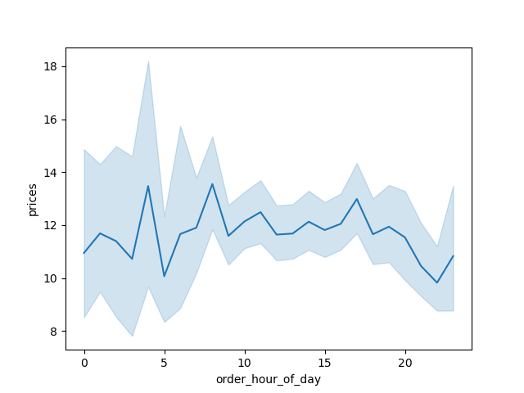

 | Recommendations: Ad Placement: In order to get new clients, target add on slower days (Wed and Thurs)
 | Time: It is important to schedule adds from midnight to 6 pm.
 | Utilize busy times (Sunday, Monday, from 9:00 am to 4:00 pm) to have special offers in order to keep clients.

Question: Is there’s a connection between age and spending power (income)?

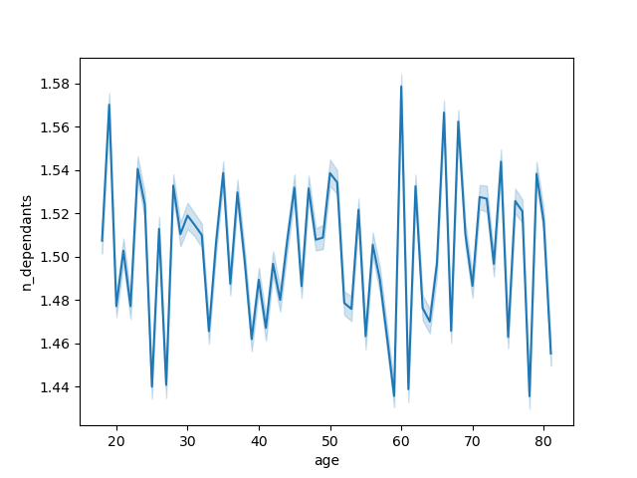

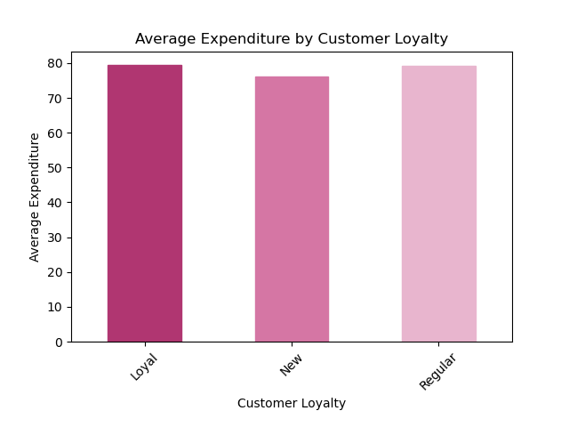

Recommendations: Income Segmentation: Tailor marketing to income levels: premium items for mid to high-income, budget options for lower-income.
Inclusive Campaigns: Ensure marketing resonates broadly, considering age, family status, and gender do not significantly influence shopping patterns.

Question: What differences can you find in ordering habits of different customer profiles?

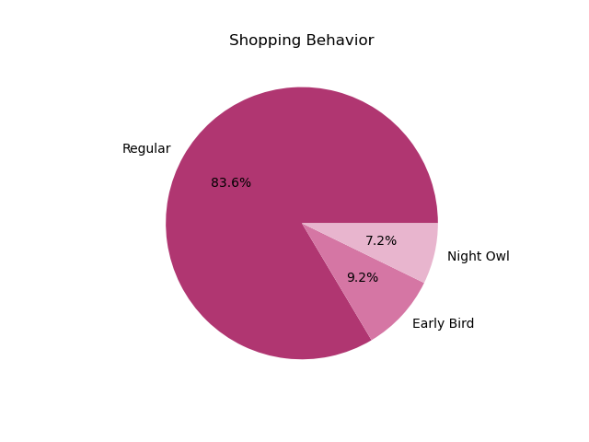


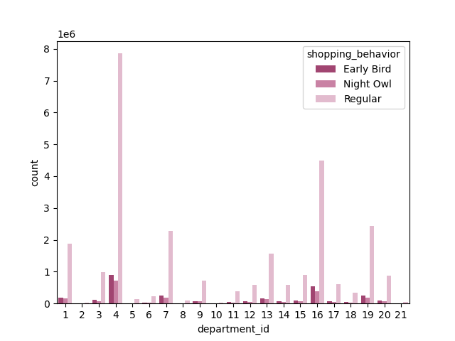
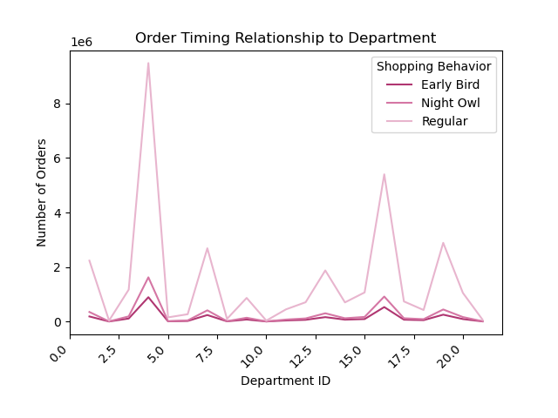

Question: Is there a connection between age and family status in terms of ordering habits? What different classifications does the demographic information suggest?

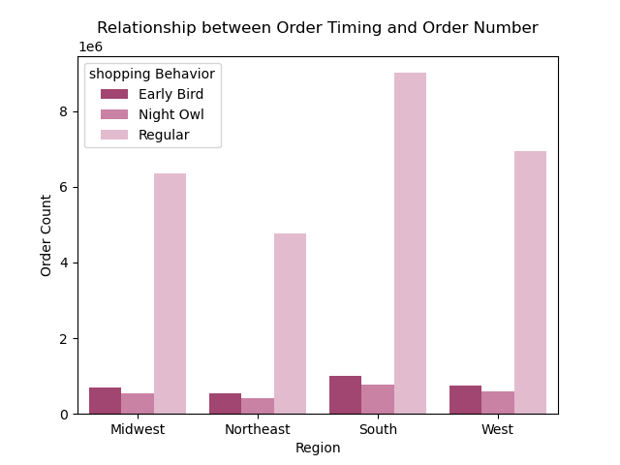
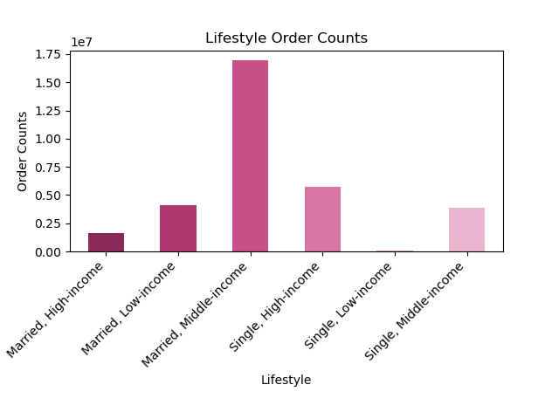

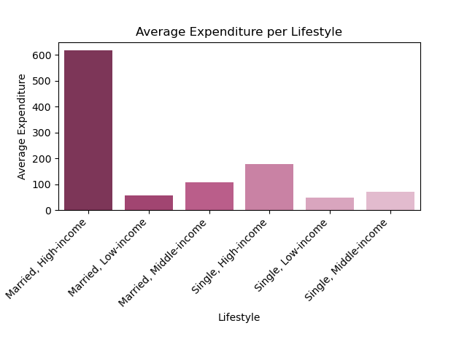
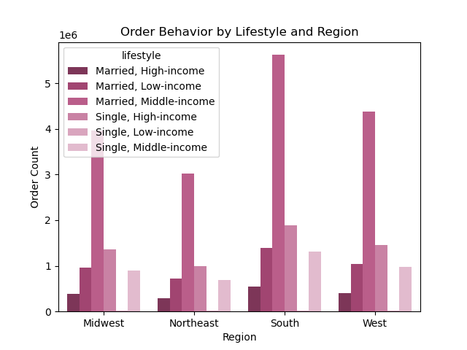

Recommendations:
General strategy: Marketing strategy, which is adustable and can be used for different locations.

Income marketing strategy: target different income groups - or example having loyalty program for high and middle-income buyers. For low income group have more special and budget friendly offers.

Marketing strategy for married income, which focus on pushing premium products.

Marketing strategy for single-income. Even it is not bringing much income, it is important to target this group too, especially with lower budged items.

7. Recommendations
 | Title page

Recommendations

Targeting Ads & Promotions:

1. Timing advertising and promotions carefuly. Most focus should be on the slower days like Wednesday and Thursday.
2. Also important to be aware of busiest times. Prreferably avoid ads from 11 pm to 5 am.
3. Target high and middle-income married couples with premium products as well as low income groups with promotions.

Customer Loyalty:

1. It is extremely imporant fo us to keep high spenders engaged. Best way would be to create a loyalty reward program, which offers discounts, free and fast delivery, etc.
2.To gain new customers, make sure to offer coupons with promotions and a program, which motivates them to invate other people.

Customer Behavior:

1.Analyze high spenders behavious and spending flows. As we see from data, loyal customers spend more on Sundays. This is an important information to consider for strategy mentioned above.
2.Analyze regular and new customers behaviours as well, who spend the least Wednesday and Thursday.
3.Regional analysis could be very important too in terms of analysing customer behaviour.

Expanding Customer Base:
1. One of the top priority is to create strategy for gaining new clients.
2. Regional analysis could be very important too in terms of building a customer base.

